Table 1
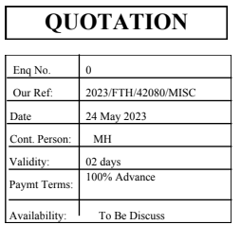

CONSULTANT : |  |  | Y H ASSOCIATES
PROJECT : DastarKhwan
SUB: QUOTATION
We are very pleased to quote you the most competitive prices for the following items as per your requirement:

S No. | I.C# | D e s c r i p t i o n |  | Qty |  | Rate | Amount
 |  | TROX CHINA
1 | 6058 | M.S. SEAMLESS PIPE SCH-40 SIZE 1"Ø |  | 140 | RFT | 905 | 126,700
2 | 6064 | M.S. SEAMLESS PIPE SCH-40 SIZE 4"Ø |  | 460 | RFT | 2,785 | 1,281,100
3 | 6066 | M.S. SEAMLESS PIPE SCH-40 SIZE 6"Ø |  | 160 | RFT | 5,510 | 881,600
 |  |  |  |  |  | TOTAL: | 2,289,400

TERMS & CONDITIONS: 1. Quoted Price are Valid for 2 Days. 2. Payment Terms 100% Advance. 3. Material availability to be discussed 4. Quoted Prices Are Based on Current Exchange Interbank Rate. 5. On Purchase Order Partial Delivery against Partial Payment to be allowed. 6. After acceptance of Purchase Order if there is any changes should be communicated within 7 days along with revised Purchase Order 7. If Payment is delayed more than 7 working days from the agreed Payment terms, We will have the right to stop deliveries of balance orders. 8. For Purchase Order Cancellation, a fee ranging from 20% To 50% shall apply. We anticipate a quick and positive response from your side and believe in receiving all the queries pertaining to the above mentioned quotation with the best of your attention & to the most of your satisfaction.
Thanks & Regards FOR, FAST TRADING & CO

